1. Shower Stall
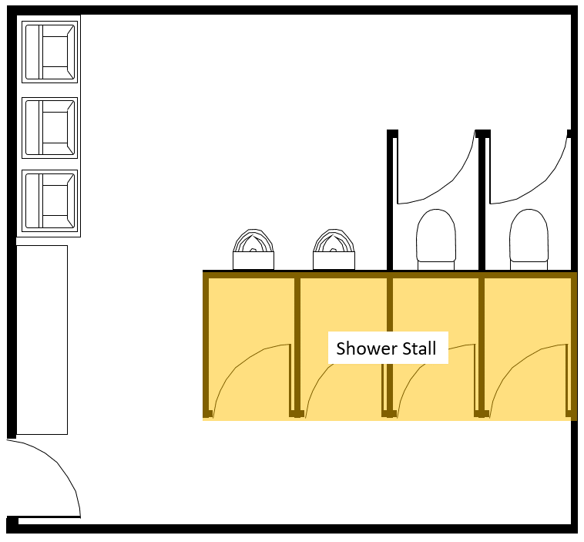
Shower Stall
All items to be within shower stall cubicle (reference image on right), inclusive of items within ambulant WC. Ambulant WC items to be indicated separately. Please include in remarks column any reference to quotations submitted.
Total Number of Shower Stalls provided:
S/No | Type of End-of-Trip facilities | Estimated Unit Cost | Qty | Estimated Total Cost (S$) | Remarks (Please include reference to invoice serial number for evaluation)
1 | Shower cubicle/door
2 | Shower mixer
3 | Shower head
4 | Robe hook
5 | Soap dispenser
6 | Shower bench
7 | Floor trap/gratings
8
9
10
11
12
13
14
15
16
17
18
19
20
21
22
23
24
25
26
27
28
29
30
Total
Total Claimable amount |  |  |  |  | 80% of total cost, or $1760 per shower stall, whichever lower

2. WC
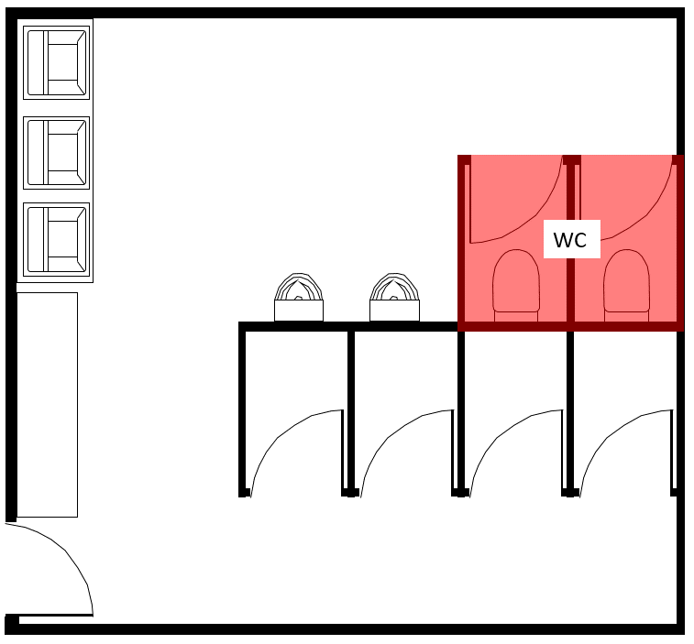
WC
All items to be within WC cubicle (reference image on right), inclusive of items within ambulant WC. Ambulant WC items to be indicated separately. Please include in remarks column any reference to quotations submitted.
Total Number of WC Stalls provided:
S/No | Type of End-of-Trip facilities | Estimated Unit Cost | Qty | Estimated Total Cost (S$) | Remarks (Please include reference to invoice serial number for evaluation)
1 | WC cubicle/door
2 | WC bowl
3 | WC squat pan
4 | Sensor valve
5 | Toilet paper holder
6 | Door hook
7 | Bib tap
8 | Grab bar
9 | Floor trap/gratings
10
11
12
13
14
15
16
17
18
19
20
21
22
23
24
25
26
27
28
29
30
Total
Total Claimable amount |  |  |  |  | 80% of total cost, or $1825 per WC stall, whichever lower

3. UR
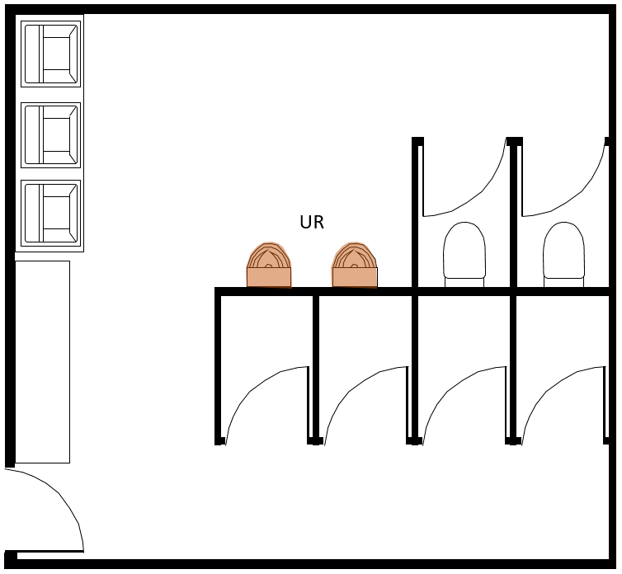
UR
All items to be directly related to provision of UR (reference image on right). Please include in remarks column any reference to quotations submitted.
Total Number UR provided:
S/No | Type of End-of-Trip facilities | Estimated Unit Cost | Qty | Estimated Total Cost (S$) | Remarks (Please include reference to invoice serial number for evaluation)
1 | Urinal
2 | Sensor valve
3 | Grab bar
4 | Partition/panel
5
6
7
8
9
10
11
12
13
14
15
16
17
18
19
20
21
22
23
24
25
26
27
28
29
30
Total
Total Claimable amount |  |  |  |  | 80% of total cost, or $1060 per UR, whichever lower

4. WHB
WHB
All items to be directly related to the provision of WHB (reference image on right). Please include in remarks column any reference to quotations submitted.
Total Number WHB provided:
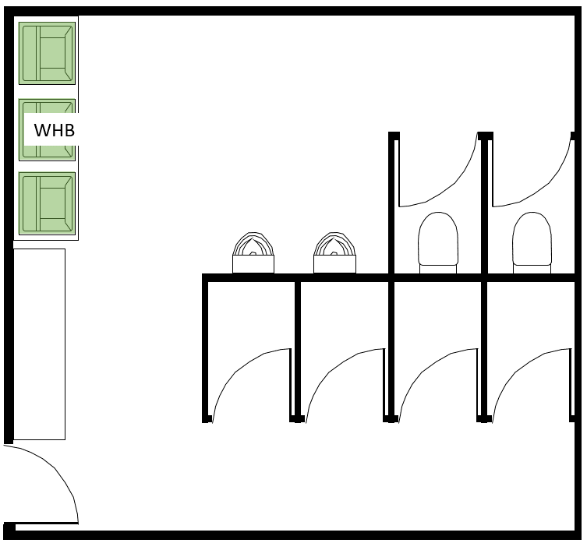
S/No | Type of End-of-Trip facilities | Estimated Unit Cost | Qty | Estimated Total Cost (S$) | Remarks (Please include reference to invoice serial number for evaluation)
1 | Wash Hand Basin
2 | Soap dispenser
3 | Tap
4
5
6
7
8
9
10
11
12
13
14
15
16
17
18
19
20
21
22
23
24
25
26
27
28
29
30
Total
Total Claimable amount |  |  |  |  | 80% of total cost, or $628 per UR, whichever lower

5. Locker
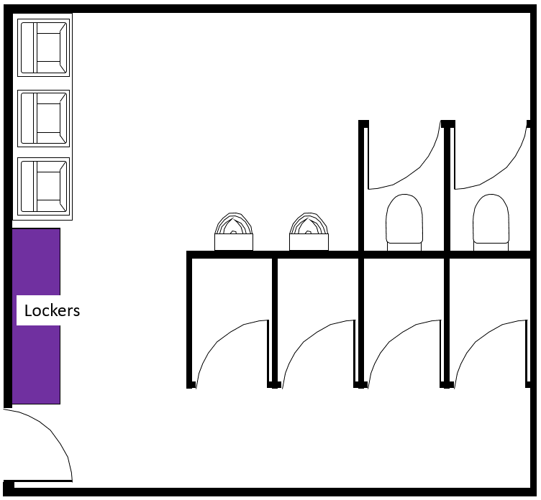
Locker
All items to be directly related to the provision of lockers (reference image on right). Please include in remarks column any reference to quotations submitted. For cases where there are different types of lockers provided, please indicate each type on a different row. *Smart lockers refer to lockers with electronically managed locking mechanisms.
S/No | Type of locker | Number of locker sets | Number of compartments per locker set | Estimated Unit cost per locker set | Total number of compartments | Estimated Total Cost (S$) | Estimated Claim Amount (S$) | Estimated cost per compartment | Remarks (Please include reference to invoice serial number for evaluation)
1 | Traditional Locker
2
3
4
5
6
7
8
9
10
Total
Total Claimable Amount |  |  |  |  |  |  | 80% of total cost, or $400 per locker, whichever lower

6. Other Sanitary Fittings
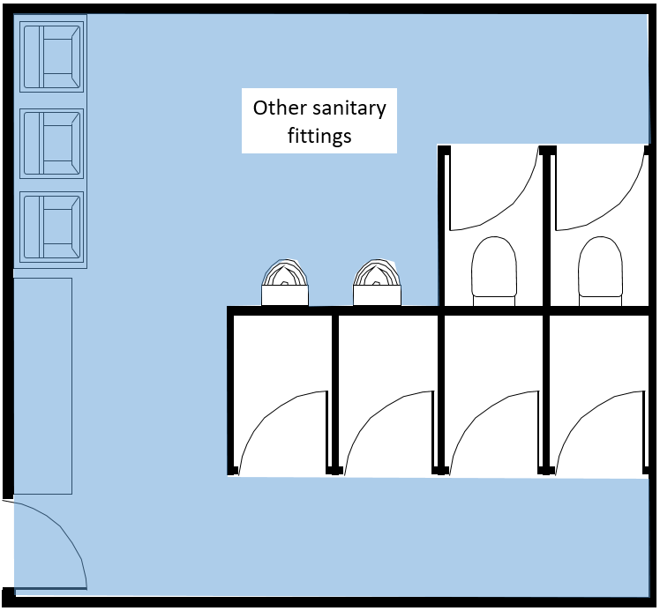
Other sanitary fittings
All items provided within washroom not directly related to the provision of Shower stall, WC, UR, WHB. This is inclusive of items within ambulant WC. Ambulant WC items to be indicated separately.
S/No | Type of End-of-Trip facilities | Estimated Unit Cost | Qty | Estimated Total Cost (S$) | Remarks (Please include reference to invoice serial number for evaluation)
1 | Hand dryer
2 | Waste receptacle
3 | Bib tap
4 | Floor trap/gratings
5 | Paper towel dispenser
6
7
8
9
10
11
12
13
14
15
16
17
18
19
20
21
22
23
24
25
26
27
28
29
30
Total
Total Claimable amount |  |  |  |  | 80% of total cost, up to a maximum claim of $2,208

